Hiearchy View
CLASS: PRINTER
a peripheral machine which makes a persistent representation of graphics or text, usually on paper. |  | 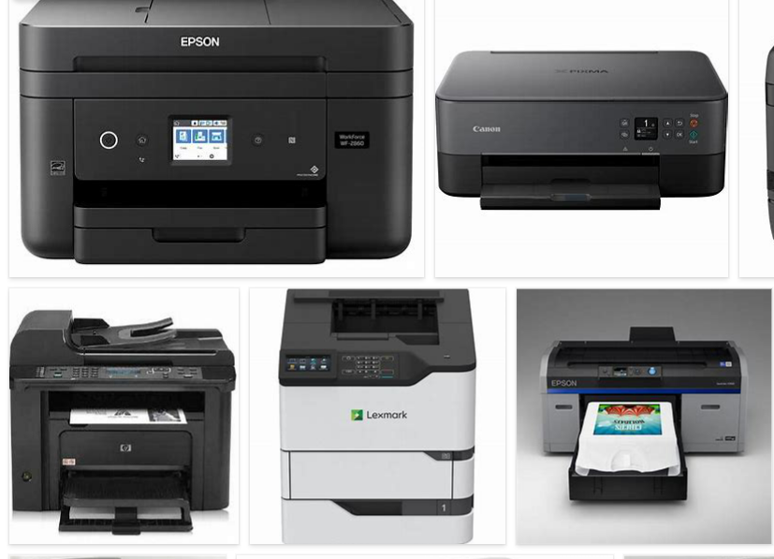
REMOVE | N

PROBLEM_DESC | CAUSE_DESC | REMEDY_DESC
BROKEN/DAMAGED
NOISE
OTHER PROBLEM
PESTS
POWER-ELEC
STOPPED/SLOWED/POOR OPS
TEMP-CTRL
VIBRATION
Grand Total

